Sheet1
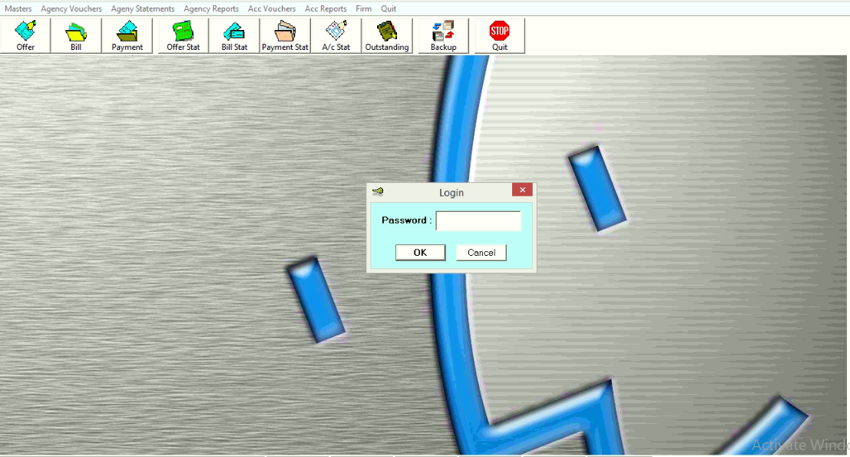
Step-1

 | Login Page
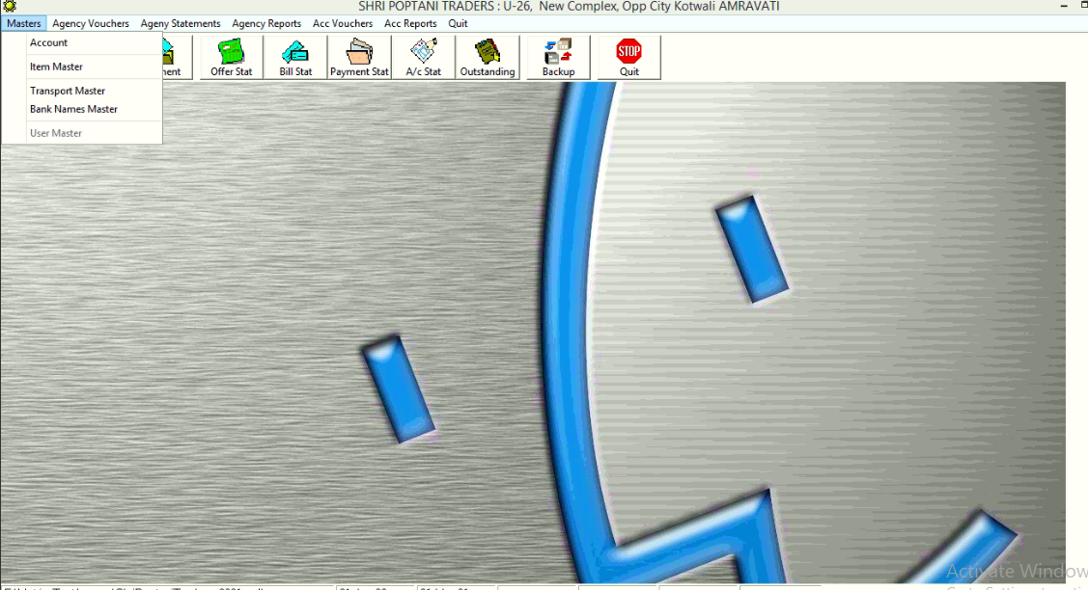

Step-2

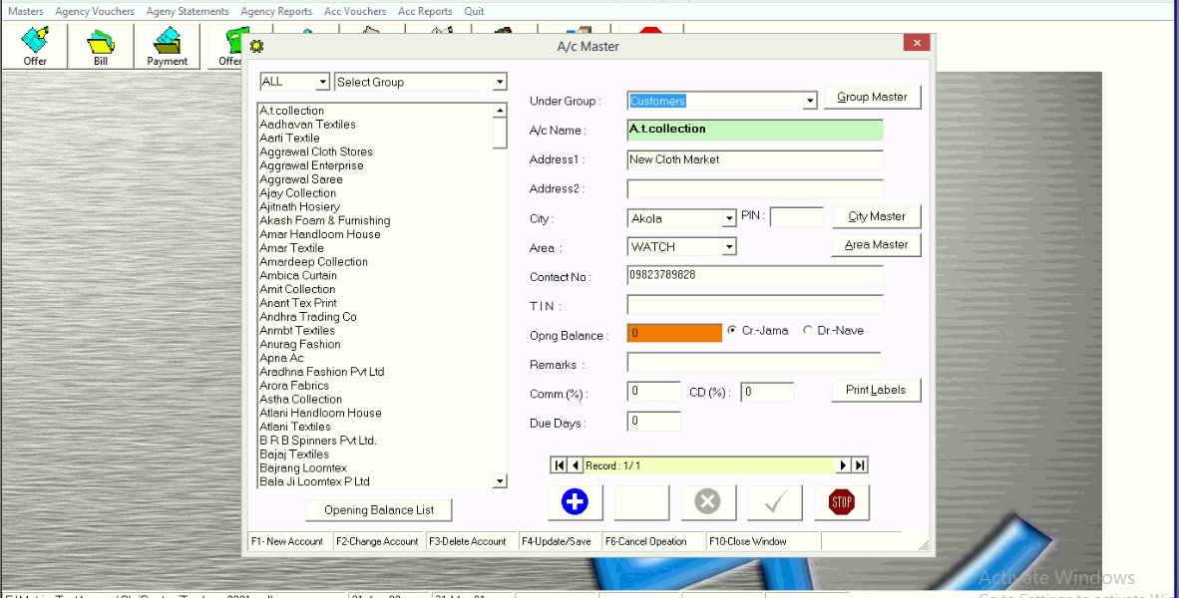
 | Sub menu of Master
Step-3

 | Acccount Master Page
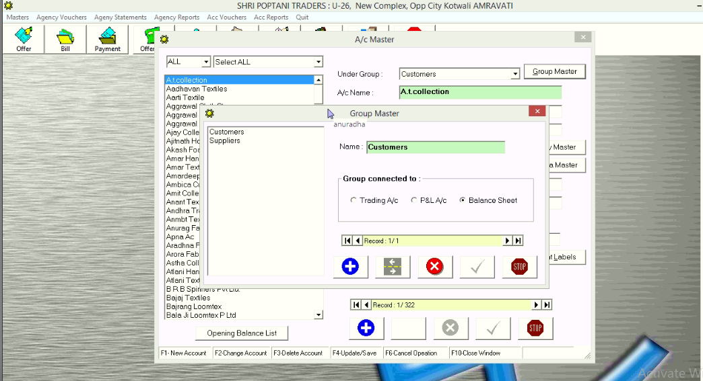
Step-4

 | Group Master Page
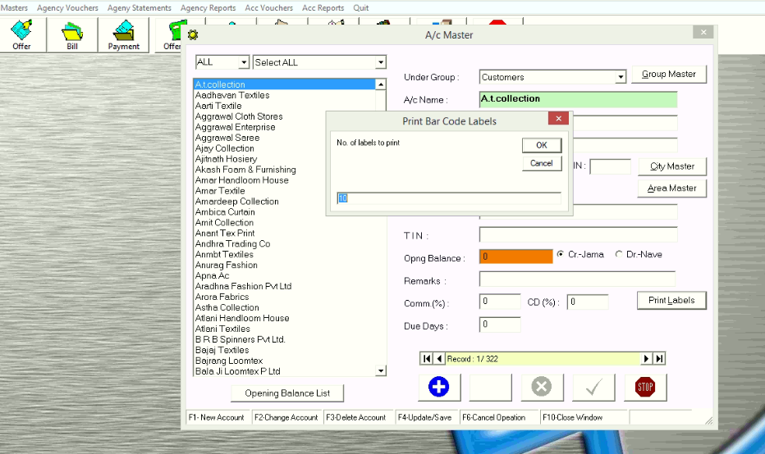
Step-5

 | Print Label Page

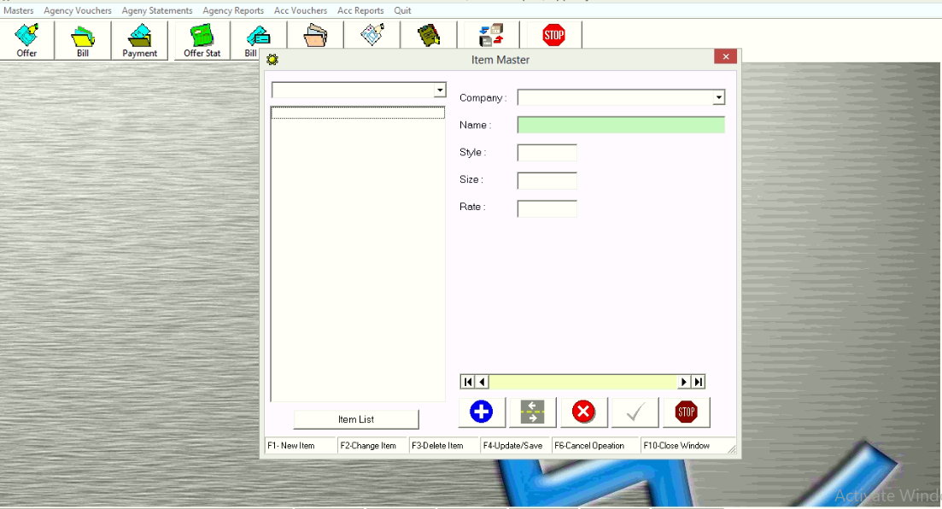
Step-6

 | Item Master Page
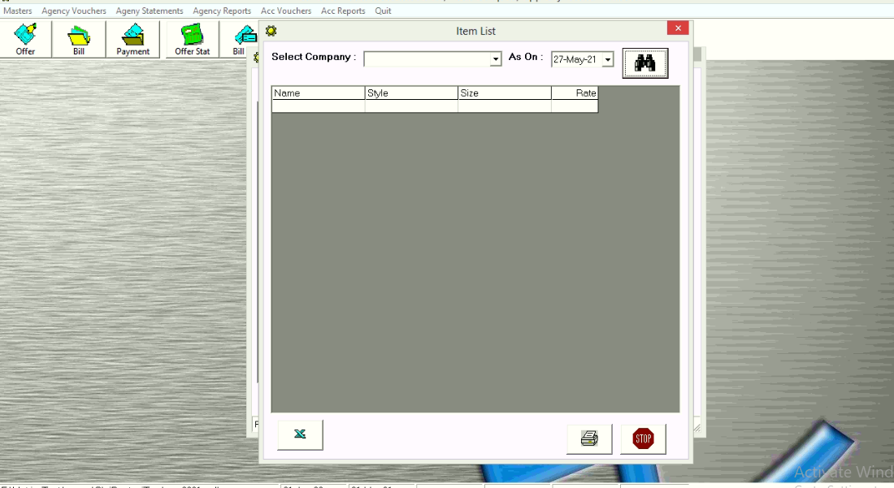
Step-7

 | Item List Page
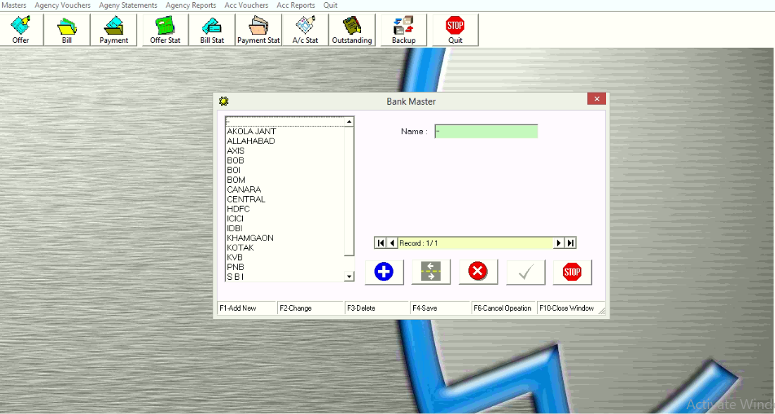
Step-8

 | Bank Master Page

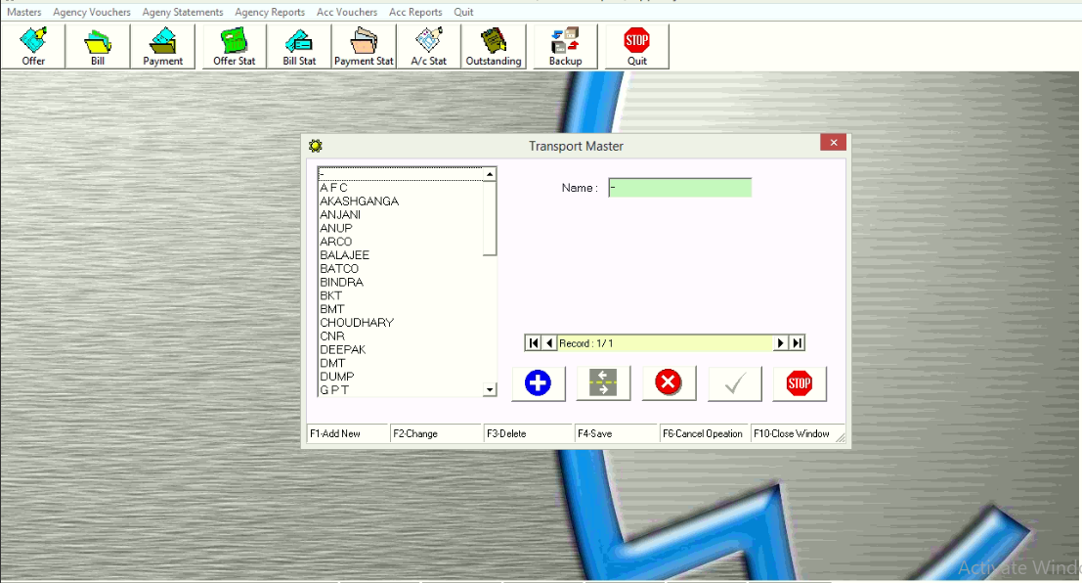
Step-9

 | Transport Master Page

